Sheet1


 | EV | PETROL
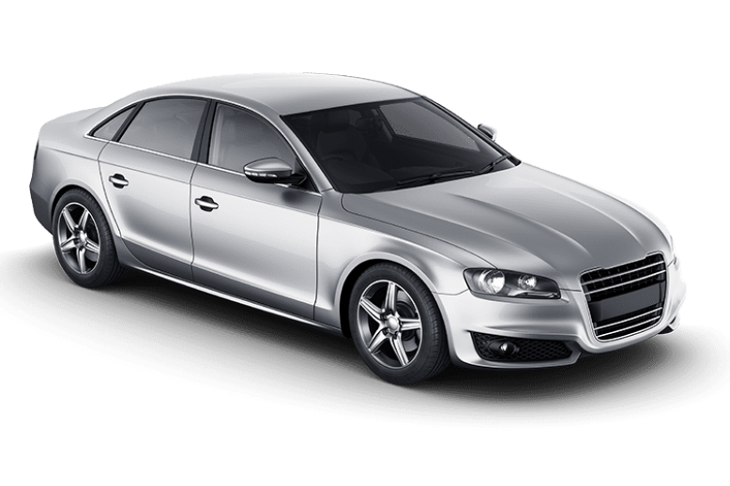

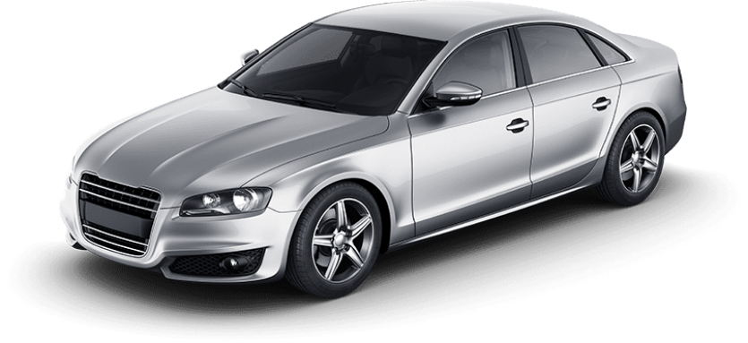
 |  | V/S

VEHICLE NAME
Ex-Showroom PRICE
Insurance With Nil DIP
Life Tax
TCS
Others
On Road Price | ₹0.00 | ₹0.00 | Fastag & Hypothetication price need to be added if it is required
The Difference in Cost | ₹0.00 | ₹0.00

To support Your Money Purse Channel you can open the demat Account with the links below
ZERODHA | https://zerodha.com/open-account?c=ZM...
UPSTOX | https://tinyurl.com/y8sbw9w8
ANGEL BROKING | http://tinyurl.com/y3r42a2x

No. Of Years
Avg KMs Travel per Day (30 Days Avg) |  |  | BATTERY LIFE YEARS
Avg KMs Travel per Year | 0 |  | COST OF BATTERY

 | EV | PETROL
Avg Cost Per (Unit/Liter)
Milage in KMs Per (Unit/Liter) / range
Cost Per KM
Avg Service & Maintainance Cost per Year
Avg Insurance Cost Per Year
Avg Vehicle Running Cost per Year | ₹0.00 | ₹0.00
Avg Vehicle Running & Maintainance Cost per Year | ₹0.00 | ₹0.00
The Annual Difference | ₹0.00 | ₹0.00

VEHICLE RUNNING & MAINTAINANCE COST FOR | 0 | YEARS
Service & Maintainance Cost | ₹0.00 | ₹0.00
Total Fuel /Energy Cost | ₹0.00 | ₹0.00
Avg Insurance Cost | ₹0.00 | ₹0.00
Total Cost for the vehicle | ₹0.00 | ₹0.00
Battery Cost | ₹0.00 | ₹0.00
Total Costing for Owning the Car | ₹0.00 | ₹0.00

Click In the Link below to Compare Your Term & Health Insurance Plans
Term Plan | https://tinyurl.com/44tp7uor
Health Insurance | https://tinyurl.com/pgc9dcxc

INVESTMENT VALUE OF DIFFERENCE AMOUNT |  |  | BATTERY COST INVESTMENT
Exces Amount Invested | ₹0.00 | ₹0.00 | ₹0.00
Post Tax Returns expected |  | 0% | 0%
Future Value | ₹0.00 | ₹0.00 | ₹0.00
Profit on Investment | ₹0.00 | ₹0.00

 | EV | PETROL
Net Cost for Owning the Car | ₹0.00 | ₹0.00

